menu
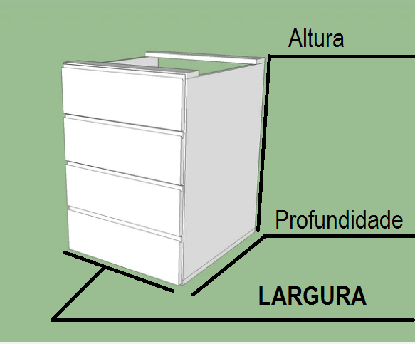

 |  |  | CODIGO
650
 | MM | rect;0,0;450,120;rect;0,126;450,246;rect;0,252;450,372;rect;0,378;450,498;tnrect;456,0;906,120;rect;456,126;906,246;rect;456,252;906,372;rect;456,378;906,498;sa;mv;0,0;0,504;tn;rect;0,1008;450,1643;rect;456,1008;906,1643;rect;912,1008;1362,1458;rect;912,0;982,450;rect;988,0;1058,450;rect;1064,0;1134,450;rect;1140,0;1210,450;rect;1216,0;1251,650;rect;1257,0;1292,650 |  | ;

450

 | MM

450

 | MM

